ZoneSummary
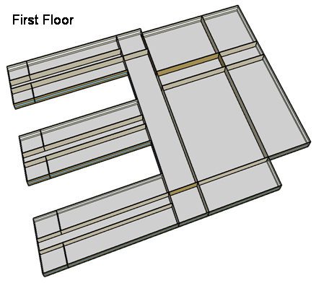
Zone Summary
Zone Name | Conditioned (Y/N) | Multiplier | Area (m2) | Volume (m3) | Floor-to-Ceiling Height (m) | Gross Wall Area (m2) | Window Glass Area (m2) | People (m2/per) | People | Lights (W/m2) | Elec Plug and Process (W/m2) | Gas Plug and Process (W/m2) | SWH (L/h) | Ventilation (L/s/Person) | Ventilation (L/s/m2) | Ventilation Total (L/s) | Exhaust (L/s) | Infiltration (ACH)
CORNER_CLASS_1_POD_1_ZN_1_FLR_1 | Yes | 1 | 99 | 396 | 4.00 | 80 | 28 | 4.00 | 24.75 | 21.53 | 10.00 |  |  | 8.00 |  | 198.00 |  | 0.82
MULT_CLASS_1_POD_1_ZN_1_FLR_1 | Yes | 1 | 477 | 1,908 | 4.00 | 212 | 74 | 4.00 | 119.25 | 21.53 | 10.00 |  |  | 8.00 |  | 954.00 |  | 0.45
CORRIDOR_POD_1_ZN_1_FLR_1 | Yes | 1 | 320 | 1,280 | 4.00 | 20 | 7 | 10.00 | 32.00 | 9.26 | 4.00 |  |  |  | 0.50 | 160.00 |  | 0.06
CORNER_CLASS_2_POD_1_ZN_1_FLR_1 | Yes | 1 | 99 | 396 | 4.00 | 80 | 28 | 4.00 | 24.75 | 21.53 | 10.00 |  |  | 8.00 |  | 198.00 |  | 0.82
MULT_CLASS_2_POD_1_ZN_1_FLR_1 | Yes | 1 | 477 | 1,908 | 4.00 | 212 | 74 | 4.00 | 119.25 | 21.53 | 10.00 |  |  | 8.00 |  | 954.00 |  | 0.45
CORNER_CLASS_1_POD_2_ZN_1_FLR_1 | Yes | 1 | 99 | 396 | 4.00 | 80 | 28 | 4.00 | 24.75 | 21.53 | 10.00 |  |  | 8.00 |  | 198.00 |  | 0.82
MULT_CLASS_1_POD_2_ZN_1_FLR_1 | Yes | 1 | 477 | 1,908 | 4.00 | 212 | 74 | 4.00 | 119.25 | 21.53 | 10.00 |  |  | 8.00 |  | 954.00 |  | 0.45
CORRIDOR_POD_2_ZN_1_FLR_1 | Yes | 1 | 320 | 1,280 | 4.00 | 20 | 7 | 10.00 | 32.00 | 9.26 | 4.00 |  |  |  | 0.50 | 160.00 |  | 0.06
CORNER_CLASS_2_POD_2_ZN_1_FLR_1 | Yes | 1 | 99 | 396 | 4.00 | 80 | 28 | 4.00 | 24.75 | 21.53 | 10.00 |  |  | 8.00 |  | 198.00 |  | 0.82
MULT_CLASS_2_POD_2_ZN_1_FLR_1 | Yes | 1 | 477 | 1,908 | 4.00 | 212 | 74 | 4.00 | 119.25 | 21.53 | 10.00 |  |  | 8.00 |  | 954.00 |  | 0.45
CORNER_CLASS_1_POD_3_ZN_1_FLR_1 | Yes | 1 | 99 | 396 | 4.00 | 80 | 28 | 4.00 | 24.75 | 21.53 | 10.00 |  |  | 8.00 |  | 198.00 |  | 0.82
MULT_CLASS_1_POD_3_ZN_1_FLR_1 | Yes | 1 | 477 | 1,908 | 4.00 | 212 | 74 | 4.00 | 119.25 | 21.53 | 10.00 |  |  | 8.00 |  | 954.00 |  | 0.45
CORRIDOR_POD_3_ZN_1_FLR_1 | Yes | 1 | 320 | 1,280 | 4.00 | 20 | 7 | 10.00 | 32.00 | 9.26 | 4.00 |  |  |  | 0.50 | 160.00 |  | 0.06
CORNER_CLASS_2_POD_3_ZN_1_FLR_1 | Yes | 1 | 99 | 396 | 4.00 | 80 | 28 | 4.00 | 24.75 | 21.53 | 10.00 |  |  | 8.00 |  | 198.00 |  | 0.82
MULT_CLASS_2_POD_3_ZN_1_FLR_1 | Yes | 1 | 477 | 1,908 | 4.00 | 212 | 74 | 4.00 | 119.25 | 21.53 | 10.00 |  |  | 8.00 |  | 954.00 |  | 0.45
MAIN_CORRIDOR_ZN_1_FLR_1 | Yes | 1 | 1140 | 4,560 | 4.00 | 200 | 70 |  | 0.00 | 10.75 | 4.00 |  |  |  | 0.50 | 570.00 |  | 0.18
LOBBY_ZN_1_FLR_1 | Yes | 1 | 210 | 840 | 4.00 | 60 | 21 |  | 0.00 | 12.01 | 4.00 |  |  |  | 0.50 | 105.00 |  | 0.29
BATHROOMS_ZN_1_FLR_1 | Yes | 1 | 210 | 840 | 4.00 | 116 | 41 | 10.00 | 21.00 | 9.61 | 4.00 |  | 197.5 | 25.00 |  | 300.00 | 300.00 | 0.56
OFFICES_ZN_1_FLR_1 | Yes | 1 | 532 | 2,128 | 4.00 | 208 | 73 | 20.00 | 26.60 | 20.10 | 10.76 |  |  | 10.00 |  | 266.00 |  | 0.40
GYM_ZN_1_FLR_1 | Yes | 1 | 1976 | 15,808 | 8.00 | 0 | 80 | 1.00 | 1976.00 | 11.39 | 5.00 |  | 717.2 | 10.00 |  | 19760.00 |  | 0.00
AUX_GYM_ZN_1_FLR_1 | Yes | 1 | 1248 | 9,984 | 8.00 | 608 | 266 | 3.00 | 416.00 | 11.81 | 5.00 |  |  | 10.00 |  | 4160.00 |  | 0.25
AUDITORIUM_ZN_1_FLR_1 | Yes | 1 | 988 | 7,904 | 8.00 | 512 | 106 | 1.00 | 988.00 | 12.08 | 5.00 |  |  | 8.00 |  | 7904.00 |  | 0.26
KITCHEN_ZN_1_FLR_1 | Yes | 1 | 216 | 864 | 4.00 | 36 | 13 | 6.00 | 36.00 | 16.77 | 222.27 | 1119.45 | 503.5 | 8.00 |  | 288.00 | 1887.79 | 0.17
CAFETERIA_ZN_1_FLR_1 | Yes | 1 | 624 | 2,496 | 4.00 | 200 | 70 | 1.39 | 448.92 | 14.38 | 19.27 |  |  | 10.00 |  | 4489.21 |  | 0.33
MECH_ZN_1_FLR_1 | Yes | 1 | 342 | 1,368 | 4.00 | 0 | 0 | 100.00 | 3.42 | 8.06 | 4.00 |  |  |  | 0.25 | 85.50 |  | 0.00
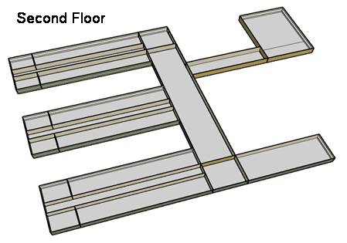
CORNER_CLASS_1_POD_1_ZN_1_FLR_2 | Yes | 1 | 99 | 396 | 4.00 | 80 | 28 | 4.00 | 24.75 | 21.53 | 10.00 |  |  | 8.00 |  | 198.00 |  | 1.84
MULT_CLASS_1_POD_1_ZN_1_FLR_2 | Yes | 1 | 477 | 1,908 | 4.00 | 212 | 74 | 4.00 | 119.25 | 21.53 | 10.00 |  |  | 8.00 |  | 954.00 |  | 1.47
CORRIDOR_POD_1_ZN_1_FLR_2 | Yes | 1 | 320 | 1,280 | 4.00 | 20 | 7 | 10.00 | 32.00 | 9.26 | 4.00 |  |  |  | 0.50 | 160.00 |  | 1.08
CORNER_CLASS_2_POD_1_ZN_1_FLR_2 | Yes | 1 | 99 | 396 | 4.00 | 80 | 28 | 4.00 | 24.75 | 21.53 | 10.00 |  |  | 8.00 |  | 198.00 |  | 1.84
MULT_CLASS_2_POD_1_ZN_1_FLR_2 | Yes | 1 | 477 | 1,908 | 4.00 | 212 | 74 | 4.00 | 119.25 | 21.53 | 10.00 |  |  | 8.00 |  | 954.00 |  | 1.47
CORNER_CLASS_1_POD_2_ZN_1_FLR_2 | Yes | 1 | 99 | 396 | 4.00 | 80 | 28 | 4.00 | 24.75 | 21.53 | 10.00 |  |  | 8.00 |  | 198.00 |  | 1.84
MULT_CLASS_1_POD_2_ZN_1_FLR_2 | Yes | 1 | 477 | 1,908 | 4.00 | 212 | 74 | 4.00 | 119.25 | 21.53 | 10.00 |  |  | 8.00 |  | 954.00 |  | 1.47
CORRIDOR_POD_2_ZN_1_FLR_2 | Yes | 1 | 320 | 1,280 | 4.00 | 20 | 7 | 10.00 | 32.00 | 9.26 | 4.00 |  |  |  | 0.50 | 160.00 |  | 1.08
CORNER_CLASS_2_POD_2_ZN_1_FLR_2 | Yes | 1 | 99 | 396 | 4.00 | 80 | 28 | 4.00 | 24.75 | 21.53 | 10.00 |  |  | 8.00 |  | 198.00 |  | 1.84
MULT_CLASS_2_POD_2_ZN_1_FLR_2 | Yes | 1 | 477 | 1,908 | 4.00 | 212 | 74 | 4.00 | 119.25 | 21.53 | 10.00 |  |  | 8.00 |  | 954.00 |  | 1.47
CORNER_CLASS_1_POD_3_ZN_1_FLR_2 | Yes | 1 | 99 | 396 | 4.00 | 80 | 28 | 4.00 | 24.75 | 21.53 | 10.00 |  |  | 8.00 |  | 198.00 |  | 1.84
MULT_CLASS_1_POD_3_ZN_1_FLR_2 | Yes | 1 | 477 | 1,908 | 4.00 | 212 | 74 | 4.00 | 119.25 | 21.53 | 20.00 |  |  | 8.00 |  | 954.00 |  | 1.47
CORRIDOR_POD_3_ZN_1_FLR_2 | Yes | 1 | 320 | 1,280 | 4.00 | 20 | 7 | 10.00 | 32.00 | 9.26 | 4.00 |  |  |  | 0.50 | 160.00 |  | 1.08
CORNER_CLASS_2_POD_3_ZN_1_FLR_2 | Yes | 1 | 99 | 396 | 4.00 | 80 | 28 | 4.00 | 24.75 | 21.53 | 10.00 |  |  | 8.00 |  | 198.00 |  | 1.84
MULT_CLASS_2_POD_3_ZN_1_FLR_2 | Yes | 1 | 477 | 1,908 | 4.00 | 212 | 74 | 4.00 | 119.25 | 21.53 | 20.00 |  |  | 8.00 |  | 954.00 |  | 1.47
MAIN_CORRIDOR_ZN_1_FLR_2 | Yes | 1 | 1140 | 4,560 | 4.00 | 200 | 70 |  | 0.00 | 10.75 | 4.00 |  |  |  | 0.50 | 570.00 |  | 1.20
LOBBY_ZN_1_FLR_2 | Yes | 1 | 210 | 840 | 4.00 | 60 | 21 |  | 0.00 | 12.01 | 4.00 |  |  |  | 0.50 | 105.00 |  | 1.31
BATHROOMS_ZN_1_FLR_2 | Yes | 1 | 210 | 840 | 4.00 | 116 | 41 | 10.00 | 21.00 | 9.61 | 4.00 |  | 197.5 | 25.00 |  | 300.00 | 300.00 | 1.58
OFFICES_ZN_1_FLR_2 | Yes | 1 | 532 | 2,128 | 4.00 | 208 | 73 | 20.00 | 26.60 | 20.10 | 10.76 |  |  | 10.00 |  | 266.00 |  | 1.42
LIBRARY_MEDIA_CENTER_ZN_1_FLR_2 | Yes | 1 | 840 | 3,360 | 4.00 | 236 | 83 | 4.35 | 193.10 | 16.34 | 10.00 |  |  | 8.00 |  | 1544.83 |  | 1.31
MECH_ZN_1_FLR_2 | Yes | 1 | 342 | 1,368 | 4.00 | 0 | 0 | 100.00 | 3.42 | 8.06 | 4.00 |  |  |  | 0.25 | 85.50 |  | 1.02
Total Conditioned Zones |  |  | 19,592 | 95,216 |  | 6,384 | 2,296 |  | 6,080

Data Source |  |  |  |  |  |  |  | 1 |  | 2 | 4, 5 | 4, 5 | 4, 5 | 3 | 3 | 3 | 4 | 4

Sources
[1] Pless, S.; Torcellini, P.; Long, N. (2007). Technical Support Document: Development of the Advanced Energy Design Guide for K-12 Schools--30% Energy Savings. 178 pp.; NREL Report No. TP-550-42114. http://www.nrel.gov/docs/fy07osti/42114.pdf
[2] ASHRAE Standard 90.1-1989, Atlanta, GA: American Society of Heating, Refrigerating and Air-Conditioning Engineers.
[3] ASHRAE Standard 62-1999 Table 6-1, Atlanta, GA: American Society of Heating, Refrigerating and Air-Conditioning Engineers.
[4] DOE Benchmark Report
[5] Smith, V. A. and D.R. Fisher. (2001). Estimating Food Service Loads and Profiles. ASHRAE Transactions 2001. V. 107. Pt 2. Atlanta, GA: American Society of Heating, Refrigerating and Air-Conditioning Engineers.

Picture
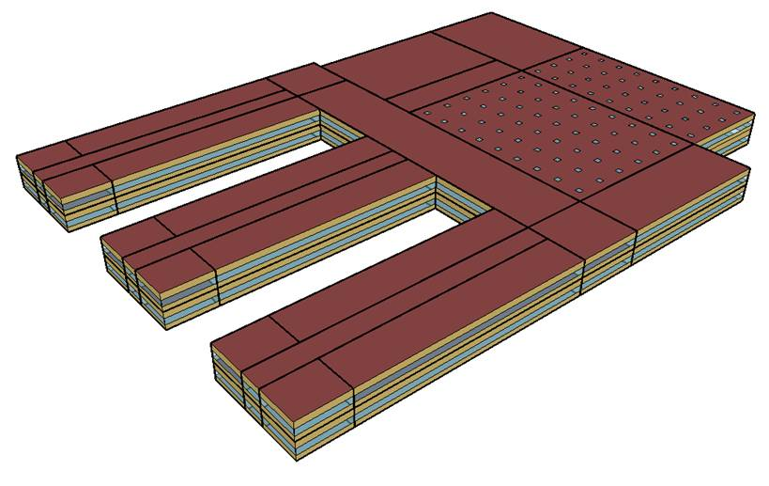
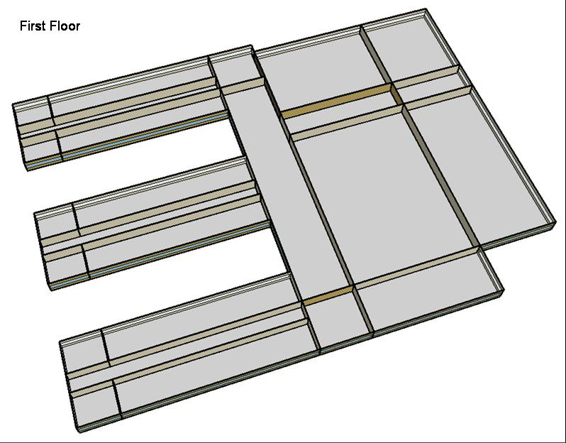
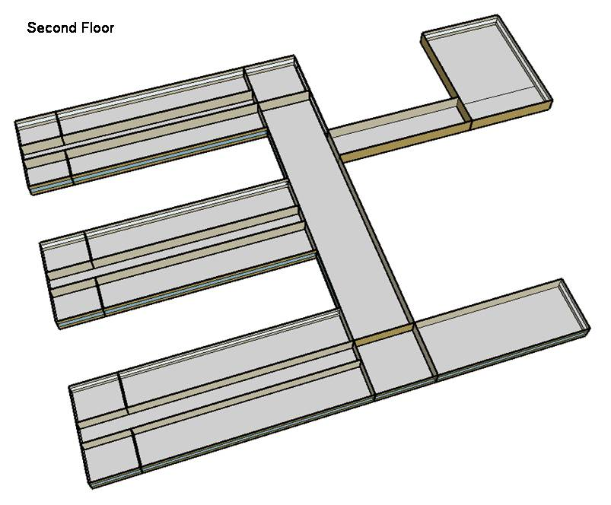
DOE Commercial Building Benchmark - Secondary School

Electricity
 | Cooling | Interior Lighting | Exterior Lighting | Interior Equipment | Fans | Pumps | Refrigeration
Miami | 1,673,411.11 | 1,150,916.67 | 48,986.11 | 632,727.78 | 370,741.67 | 23,633.33 | 43,633.33
Houston | 1,100,291.67 | 1,150,916.67 | 48,966.67 | 632,727.78 | 321,591.67 | 13,616.67 | 41,647.22
Phoenix | 1,116,808.33 | 1,150,916.67 | 48,958.33 | 632,727.78 | 353,883.33 | 14,475.00 | 41,763.89
Atlanta | 574,791.67 | 1,150,916.67 | 48,950.00 | 632,727.78 | 310,669.44 | 9,200.00 | 39,800.00
Los Angeles | 311,108.33 | 1,150,916.67 | 48,913.89 | 632,727.78 | 308,627.78 | 7,188.89 | 39,863.89
Las Vegas | 786,841.67 | 1,150,916.67 | 48,902.78 | 632,727.78 | 330,308.33 | 10,750.00 | 40,419.44
San Francisco | 95,733.33 | 1,150,916.67 | 48,927.78 | 632,727.78 | 295,650.00 | 3,791.67 | 38,158.33
Baltimore | 441,997.22 | 1,150,916.67 | 48,897.22 | 632,727.78 | 301,638.89 | 7,427.78 | 38,616.67
Albuquerque | 339,613.89 | 1,150,916.67 | 48,916.67 | 632,727.78 | 318,236.11 | 7,072.22 | 38,591.67
Seattle | 75,150.00 | 1,150,916.67 | 48,819.44 | 632,727.78 | 283,194.44 | 3,308.33 | 37,375.00
Chicago | 317,866.67 | 1,150,916.67 | 48,905.56 | 632,727.78 | 307,680.56 | 6,475.00 | 37,775.00
Boulder | 201,025.00 | 1,150,916.67 | 48,877.78 | 632,727.78 | 307,363.89 | 4,988.89 | 37,572.22
Minneapolis | 245,747.22 | 1,150,916.67 | 48,875.00 | 632,727.78 | 311,113.89 | 6,797.22 | 37,391.67
Helena | 118,377.78 | 1,150,916.67 | 48,863.89 | 632,727.78 | 309,316.67 | 4,994.44 | 36,713.89
Duluth | 89,786.11 | 1,150,916.67 | 48,833.33 | 632,727.78 | 311,752.78 | 5,652.78 | 36,127.78
Fairbanks | 42,811.11 | 1,150,916.67 | 48,536.11 | 632,727.78 | 349,027.78 | 9,197.22 | 35,175.00

Gas
 | Heating | Interior Equipment | Water Systems
Miami | 211,510.00 | 353,390.00 | 188,470.00
Houston | 2,074,380.00 | 353,390.00 | 256,650.00
Phoenix | 1,444,470.00 | 353,390.00 | 225,520.00
Atlanta | 4,115,450.00 | 353,390.00 | 317,240.00
Los Angeles | 1,231,630.00 | 353,390.00 | 296,690.00
Las Vegas | 2,294,290.00 | 353,390.00 | 270,010.00
San Francisco | 3,522,210.00 | 353,390.00 | 347,960.00
Baltimore | 6,813,980.00 | 353,390.00 | 365,490.00
Albuquerque | 4,506,680.00 | 353,390.00 | 356,170.00
Seattle | 6,618,800.00 | 353,390.00 | 382,460.00
Chicago | 9,312,400.00 | 353,390.00 | 406,520.00
Boulder | 6,519,540.00 | 353,390.00 | 402,650.00
Minneapolis | 12,444,690.00 | 353,390.00 | 443,070.00
Helena | 9,901,780.00 | 353,390.00 | 446,410.00
Duluth | 14,993,580.00 | 353,390.00 | 497,680.00
Fairbanks | 26,582,850.00 | 353,390.00 | 562,320.00

EUI
 | Cooling (elec) | Interior Lighting (elec) | Exterior Lighting (elec) | Interior Equipment (elec) | Fans (elec) | Pumps (elec) | Refrigeration (elec) | Heating (gas) | Interior Equipment (gas)
Miami | 307.49 | 211.48 | 9.00 | 116.26 | 68.12 | 4.34 | 8.02 | 10.80 | 18.04
Houston | 202.18 | 211.48 | 9.00 | 116.26 | 59.09 | 2.50 | 7.65 | 105.88 | 18.04
Phoenix | 205.21 | 211.48 | 9.00 | 116.26 | 65.03 | 2.66 | 7.67 | 73.73 | 18.04
Atlanta | 105.62 | 211.48 | 8.99 | 116.26 | 57.09 | 1.69 | 7.31 | 210.06 | 18.04
Los Angeles | 57.17 | 211.48 | 8.99 | 116.26 | 56.71 | 1.32 | 7.32 | 62.86 | 18.04
Las Vegas | 144.58 | 211.48 | 8.99 | 116.26 | 60.69 | 1.98 | 7.43 | 117.10 | 18.04
San Francisco | 17.59 | 211.48 | 8.99 | 116.26 | 54.33 | 0.70 | 7.01 | 179.78 | 18.04
Baltimore | 81.22 | 211.48 | 8.98 | 116.26 | 55.43 | 1.36 | 7.10 | 347.79 | 18.04
Albuquerque | 62.40 | 211.48 | 8.99 | 116.26 | 58.48 | 1.30 | 7.09 | 230.03 | 18.04
Seattle | 13.81 | 211.48 | 8.97 | 116.26 | 52.04 | 0.61 | 6.87 | 337.83 | 18.04
Chicago | 58.41 | 211.48 | 8.99 | 116.26 | 56.54 | 1.19 | 6.94 | 475.32 | 18.04
Boulder | 36.94 | 211.48 | 8.98 | 116.26 | 56.48 | 0.92 | 6.90 | 332.77 | 18.04
Minneapolis | 45.16 | 211.48 | 8.98 | 116.26 | 57.17 | 1.25 | 6.87 | 635.19 | 18.04
Helena | 21.75 | 211.48 | 8.98 | 116.26 | 56.84 | 0.92 | 6.75 | 505.40 | 18.04
Duluth | 16.50 | 211.48 | 8.97 | 116.26 | 57.28 | 1.04 | 6.64 | 765.29 | 18.04
Fairbanks | 7.87 | 211.48 | 8.92 | 116.26 | 64.13 | 1.69 | 6.46 | 1356.82 | 18.04

Water
 | Total Building | Water for Electricity (m3)
Miami | 2,677.93 | 2,089.39
Houston | 2,677.93 | 5,385.36
Phoenix | 2,677.93 | 99,792.90
Atlanta | 2,677.93 | 17,276.40
Los Angeles | 2,677.93 | 43,882.90
Las Vegas | 2,677.93 | 82,325.70
San Francisco | 2,677.93 | 39,784.20
Baltimore | 2,677.93 | 595.34
Albuquerque | 2,677.93 | 11,515.80
Seattle | 2,677.93 | 22,798.70
Chicago | 2,677.93 | 3,882.24
Boulder | 2,677.93 | 10,822.90
Minneapolis | 2,677.93 | 3,775.53
Helena | 2,677.93 | 145,813.00
Duluth | 2,677.93 | 3,530.76
Fairbanks | 2,677.93 | 2,317.57

Carbon
 | Carbon Equivalent (kg)
Miami | 1,095,240.00
Houston | 1,152,410.00
Phoenix | 1,050,650.00
Atlanta | 938,660.27
Los Angeles | 326,020.40
Las Vegas | 1,064,730.00
San Francisco | 340,969.05
Baltimore | 843,458.83
Albuquerque | 1,130,040.00
Seattle | 295,152.91
Chicago | 1,515,760.00
Boulder | 1,104,840.00
Minneapolis | 1,071,770.00
Helena | 1,034,180.00
Duluth | 1,064,710.00
Fairbanks | 1,134,170.00

LghtSch
Lighting Schedules
 | School year weekday | School year weekend | Summer weekday | Summer weekend
 | 0.1773 | 0.1773 | 0.1773 | 0.1773
 | 0.1773 | 0.1773 | 0.1773 | 0.1773
 | 0.1773 | 0.1773 | 0.1773 | 0.1773
 | 0.1773 | 0.1773 | 0.1773 | 0.1773
 | 0.1773 | 0.1773 | 0.1773 | 0.1773
 | 0.1773 | 0.1773 | 0.1773 | 0.1773
 | 0.1773 | 0.1773 | 0.1773 | 0.1773
 | 0.9 | 0.1773 | 0.1773 | 0.1773
 | 0.9 | 0.1773 | 0.5 | 0.1773
 | 0.9 | 0.1773 | 0.5 | 0.1773
 | 0.9 | 0.1773 | 0.5 | 0.1773
 | 0.9 | 0.1773 | 0.5 | 0.1773
 | 0.9 | 0.1773 | 0.5 | 0.1773
 | 0.9 | 0.1773 | 0.5 | 0.1773
 | 0.9 | 0.1773 | 0.5 | 0.1773
 | 0.9 | 0.1773 | 0.5 | 0.1773
 | 0.9 | 0.1773 | 0.5 | 0.1773
 | 0.9 | 0.1773 | 0.5 | 0.1773
 | 0.9 | 0.1773 | 0.5 | 0.1773
 | 0.9 | 0.1773 | 0.5 | 0.1773
 | 0.9 | 0.1773 | 0.1773 | 0.1773
 | 0.1773 | 0.1773 | 0.1773 | 0.1773
 | 0.1773 | 0.1773 | 0.1773 | 0.1773
 | 0.1773 | 0.1773 | 0.1773 | 0.1773

EqpSch
Equipment Schedules
 | School year weekday | School year weekend | Summer weekday | Summer weekend
 | 0.35 | 0.35 | 0.25 | 0.25
 | 0.35 | 0.35 | 0.25 | 0.25
 | 0.35 | 0.35 | 0.25 | 0.25
 | 0.35 | 0.35 | 0.25 | 0.25
 | 0.35 | 0.35 | 0.25 | 0.25
 | 0.35 | 0.35 | 0.25 | 0.25
 | 0.35 | 0.35 | 0.25 | 0.25
 | 0.35 | 0.35 | 0.25 | 0.25
 | 0.95 | 0.35 | 0.5 | 0.25
 | 0.95 | 0.35 | 0.5 | 0.25
 | 0.95 | 0.35 | 0.5 | 0.25
 | 0.95 | 0.35 | 0.5 | 0.25
 | 0.95 | 0.35 | 0.5 | 0.25
 | 0.95 | 0.35 | 0.5 | 0.25
 | 0.95 | 0.35 | 0.5 | 0.25
 | 0.95 | 0.35 | 0.5 | 0.25
 | 0.95 | 0.35 | 0.5 | 0.25
 | 0.35 | 0.35 | 0.25 | 0.25
 | 0.35 | 0.35 | 0.25 | 0.25
 | 0.35 | 0.35 | 0.25 | 0.25
 | 0.35 | 0.35 | 0.25 | 0.25
 | 0.35 | 0.35 | 0.25 | 0.25
 | 0.35 | 0.35 | 0.25 | 0.25
 | 0.35 | 0.35 | 0.25 | 0.25

ClassOccSch
Classroom Occupancy Schedules
 | School year weekday | Summer weekday
 | 0 | 0
 | 0 | 0
 | 0 | 0
 | 0 | 0
 | 0 | 0
 | 0 | 0
 | 0 | 0
 | 0 | 0
 | 0.7 | 0.15
 | 0.7 | 0.15
 | 0.7 | 0.15
 | 0.7 | 0.15
 | 0.7 | 0.15
 | 0.7 | 0.15
 | 0.7 | 0.15
 | 0.7 | 0.15
 | 0.15 | 0.15
 | 0.15 | 0.15
 | 0.15 | 0.15
 | 0.15 | 0.15
 | 0.15 | 0.15
 | 0 | 0
 | 0 | 0
 | 0 | 0

OffcOccSch
Office Occupancy Schedules
 | School year weekday | Summer weekday
 | 0 | 0
 | 0 | 0
 | 0 | 0
 | 0 | 0
 | 0 | 0
 | 0 | 0
 | 0 | 0
 | 0 | 0
 | 0.95 | 0.5
 | 0.95 | 0.5
 | 0.95 | 0.5
 | 0.95 | 0.5
 | 0.95 | 0.5
 | 0.95 | 0.5
 | 0.95 | 0.5
 | 0.95 | 0.5
 | 0.95 | 0.5
 | 0.15 | 0.15
 | 0.15 | 0.15
 | 0.15 | 0.15
 | 0.15 | 0.15
 | 0 | 0
 | 0 | 0
 | 0 | 0

OtherOccSch
Occupancy Schedules
 | Gym school year weekday | Gym summer weekday | Cafeteria school year weekday | Cafeteria summer weekday | Auditorium school year weekday | Auditorium summer weekday
 | 0 | 0 | 0 | 0 | 0 | 0
 | 0 | 0 | 0 | 0 | 0 | 0
 | 0 | 0 | 0 | 0 | 0 | 0
 | 0 | 0 | 0 | 0 | 0 | 0
 | 0 | 0 | 0 | 0 | 0 | 0
 | 0 | 0 | 0 | 0 | 0 | 0
 | 0 | 0 | 0 | 0 | 0 | 0
 | 0 | 0 | 0 | 0 | 0 | 0
 | 0.35 | 0.35 | 0 | 0 | 0.25 | 0.15
 | 0.35 | 0.35 | 0.95 | 0.15 | 0.25 | 0.15
 | 0.35 | 0.35 | 0.95 | 0.15 | 0.25 | 0.15
 | 0.35 | 0.35 | 0.95 | 0.15 | 0.25 | 0.15
 | 0.35 | 0.35 | 0.95 | 0.15 | 0.25 | 0.15
 | 0.35 | 0.35 | 0.95 | 0.15 | 0.25 | 0.15
 | 0.35 | 0.35 | 0.95 | 0.15 | 0.25 | 0.15
 | 0.35 | 0.35 | 0.35 | 0.15 | 0.95 | 0.15
 | 0.95 | 0.35 | 0.35 | 0.15 | 0.95 | 0.15
 | 0.95 | 0.35 | 0.35 | 0.35 | 0.95 | 0.35
 | 0.95 | 0.35 | 0.35 | 0.35 | 0.95 | 0.35
 | 0.95 | 0.35 | 0.35 | 0 | 0.95 | 0
 | 0.95 | 0.35 | 0 | 0 | 0 | 0
 | 0 | 0 | 0 | 0 | 0 | 0
 | 0 | 0 | 0 | 0 | 0 | 0
 | 0 | 0 | 0 | 0 | 0 | 0

HeatSch
Heating Set Point Schedules
 | Weekday | Weekend | Restrooms & Mech.
 | 16 | 16 | 16
 | 16 | 16 | 16
 | 16 | 16 | 16
 | 16 | 16 | 16
 | 16 | 16 | 16
 | 16 | 16 | 16
 | 16 | 16 | 16
 | 21 | 16 | 16
 | 21 | 16 | 16
 | 21 | 16 | 16
 | 21 | 16 | 16
 | 21 | 16 | 16
 | 21 | 16 | 16
 | 21 | 16 | 16
 | 21 | 16 | 16
 | 21 | 16 | 16
 | 21 | 16 | 16
 | 21 | 16 | 16
 | 21 | 16 | 16
 | 21 | 16 | 16
 | 21 | 16 | 16
 | 16 | 16 | 16
 | 16 | 16 | 16
 | 16 | 16 | 16

CoolSch
Cooling Set Point Schedules
 | Weekday | Weekend | Restrooms & Mech.
 | 31 | 31 | 31
 | 31 | 31 | 31
 | 31 | 31 | 31
 | 31 | 31 | 31
 | 31 | 31 | 31
 | 31 | 31 | 31
 | 31 | 31 | 31
 | 25 | 31 | 31
 | 25 | 31 | 31
 | 25 | 31 | 31
 | 25 | 31 | 31
 | 25 | 31 | 31
 | 25 | 31 | 31
 | 25 | 31 | 31
 | 25 | 31 | 31
 | 25 | 31 | 31
 | 25 | 31 | 31
 | 25 | 31 | 31
 | 25 | 31 | 31
 | 25 | 31 | 31
 | 25 | 31 | 31
 | 31 | 31 | 31
 | 31 | 31 | 31
 | 31 | 31 | 31

